Sheet2
What is Hot?
Auto Bank Portal
Key Figures
 |  | Altais Automation rate AR |  | Top 9 coco based on AR volume
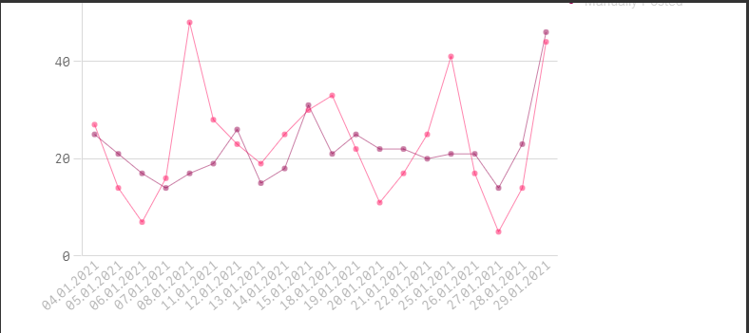
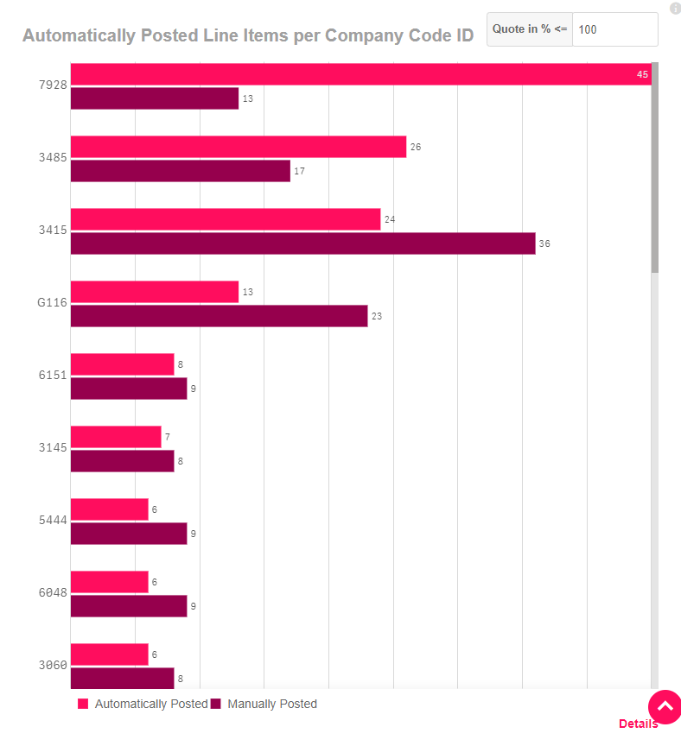
Penetration rate
ALTAIS | 74% |  |  |  |  | New automation projects on hold till end of Feb'21
450 | total Number of TC |  |  |  |  | Upgrade completed | Jan'21
97 | not Eligible |  |  |  |  | WBS enhancement in progress | Feb'21
260 | Live on Auto Bank |  |  |  |  | Next go-live; Vietnam & Pakistan | Feb'21
93 | Pending implementation

Need Support
 |  | *defintion of AR autoamtion

 |  | Altais Automation rate non-AR*

 |  |  |  |  |  | Key user Support (email address)
 |  |  |  |  |  | L2 Support team (SNOW ticket)
PMX | 96% |  |  |  |  | Serrala Support (email address)
230 | Number of TC |  |  |  |  | Treasury Support (WF link)
220 | TC on Auto Bank |  |  |  |  | Authorization supprt (SNOW ticket)

TC Master file link
 |  | *defintion of success vs automation rate nonAR

Operations
Auto Bank Docs
Projects
Treasury
FAQ

Overview of Auto Bank |  | OC team | List of phases & coco |  | Treasury Bank account clean up
Accounting of Auto Bank |  | Cash team | Link to project documentation |  | TRAX | I need a new rule in Auto bank
Demo Video |  | Key User team |  |  | Derivates | Transaction is posted to the wrong GL
Serrala documentation |  |  | Phase 6 |  | Cashpool automation project | I want a bank account on Auto Bank, what should I do?
Blue Print for Altais |  | SOP's | Brazil
Technical Docs |  | Link to SAP Auto Bank | Bilboa
 |  | FS2 Analytics Tool link | gatekeeper
 |  | Training materials
 |  | Operational defect tracker
 |  | Month end calendars

